Week Entry
 |  |  |  |  | Sleep Calculator © California Training Institute August 2016
 |  |  |  |  | The calculator was developed by CTI from the research of Drew
 |  |  |  |  | Dawson & Kristy McCulloch. Managing fatigue: It’s about sleep
 |  |  |  |  | Sleep Medicine Reviews (2005) 9, 365–380

Weekly Sleep Calculator © California Training Institute August 2016
Enter the bedtime and wake up time under the same day + any nap time.
You must enter two days of sleep data prior to the time you want to calculate the fatigue level.
Remember 12 AM refers to the starting point of the day (00:00 hours)
To calculate a fatigue level for a given day and time enter it under the dayof the week/time selection.

Action | Day 1 |  | Day 2 |  | Day 3 |  | Day 4 |  | Day 5 |  | Day 6 |  | Day 7
 | Actual Day | Actual Time | Actual Day | Actual Time | Actual Day | Actual Time | Actual Day | Actual Time | Actual Day | Actual Time | Actual Day | Actual Time | Actual Day | Actual Time
Bedtime | Monday | 0:00:00 | Tuesday | 0:00:00 | Wednesday | 0:00:00 | Thursday | 0:00:00
Wake Up | Monday | 6:00:00 | Tuesday | 6:00:00 | Wednesday | 6:00:00 | Thursday | 3:00:00
Naptime | Monday | 22:00:00 | Tuesday | 22:00:00 | Wednesday | 22:00:00
Wake Up | Tuesday | 0:00:00 | Wednesday | 0:00:00 | Thursday | 0:00:00

Day of the Week / Time Selection: Enter the exact day and time for which you want to calculate the fatigue level. You may enter up to 3 data points.

 | Selection | Selection 2 | Selection 3
Day Of Week | Thursday | Thursday | Friday
Time | 20:00:00 | 22:00:00 | 0:00:00

Results

Selection Results |  |  | Selection 2 |  |  | Selection 3

Hours slept in prior 24 hours: |  | 5 | Hours slept in prior 24 hours: |  | 5 | Hours slept in prior 24 hours: |  | 3
Point Allocation: |  | 0 | Point Allocation: |  | 0 | Point Allocation: |  | 8

Hours slept in prior 48 hours: |  | 13 | Hours slept in prior 48 hours: |  | 13 | Hours slept in prior 48 hours: |  | 11
Point Allocation: |  | 0 | Point Allocation: |  | 0 | Point Allocation: |  | 2

Hours awake in prior 24 hours: |  | 19 | Hours awake in prior 24 hours: |  | 19 | Hours awake in prior 24 hours: |  | 21
Hours slept in prior 48 hours: |  | 13 | Hours slept in prior 48 hours: |  | 13 | Hours slept in prior 48 hours: |  | 11
Point Allocation: |  | 6 | Point Allocation: |  | 6 | Point Allocation: |  | 10

Total Points: |  | 6 | Total Points: |  | 6 | Total Points: |  | 20

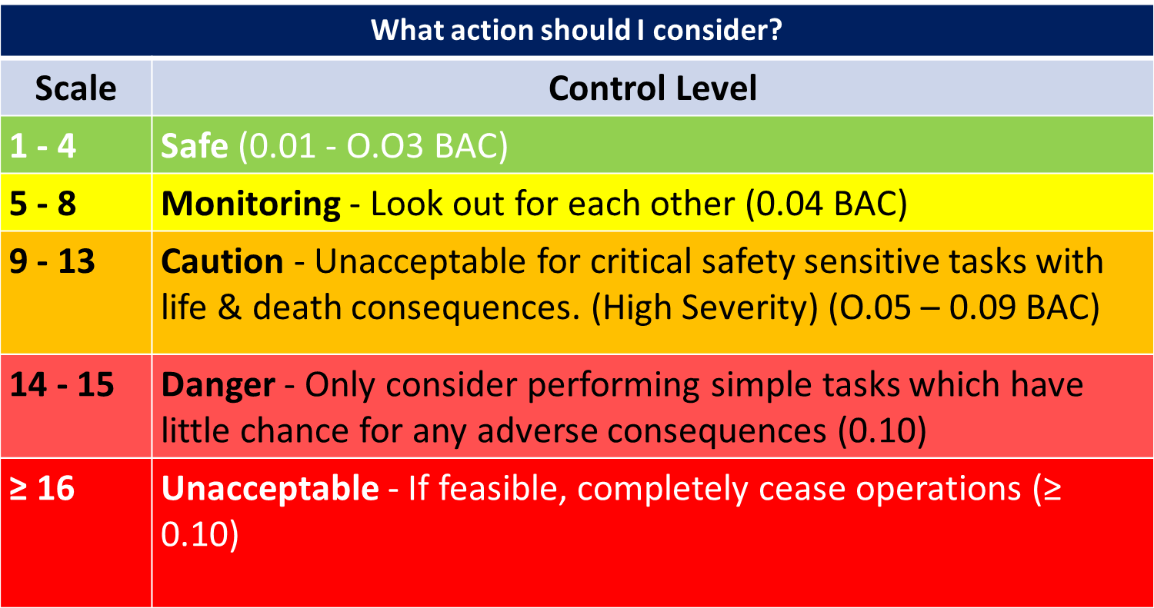

California Training Institute - Email: Info@cti-home.com
Website: www.cti-home.com Contact: 707-968-5109
Excel Formulas by: Shaun Klein shaunklein@rogers.com

